Sheet1
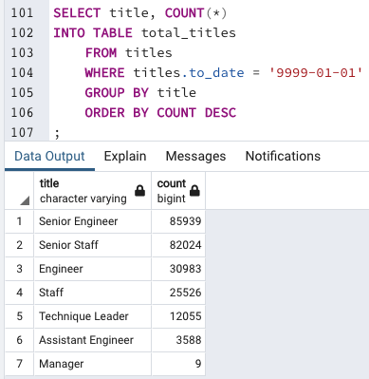

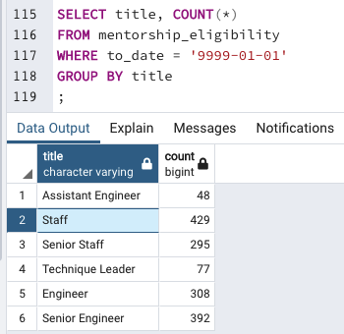
Category | Total | Retiring | %
Senior Staff | 82,024 | 24,926 | 30%
Assistant Engineer | 3,588 | 1,090 | 30%
Senior Engineer | 85,939 | 25,916 | 30%
Engineer | 30,983 | 9,285 | 30%
Staff | 25,526 | 7,636 | 30%
Technique Leader | 12,055 | 3,603 | 30%
Manager | 9 | 2 | 22%
TOTAL | 240,124 | 72,458 | 30%

 |  |  |  | Category | Total | Eligible | %
 |  |  |  | Staff | 25,526 | 429 | 1.7%
 |  |  |  | Assistant Engineer | 3,588 | 48 | 1.3%
 |  |  |  | Engineer | 30,983 | 308 | 1.0%
 |  |  |  | Technique Leader | 12,055 | 77 | 0.6%
 |  |  |  | Senior Engineer | 85,939 | 392 | 0.5%
 |  |  |  | Senior Staff | 82,024 | 295 | 0.4%
 |  |  |  | TOTAL | 240,115 | 1,549 | 0.6%

